Defect Report - Template
Title | Verificar que no se pueda crear un usuario con "Email" repetido

Description / Overview | Error al crear una cuenta con un mail ya utilizado

Reproduction Steps | 1- entrar en el sitio web: http://127.0.0.1:5000/
 | 2-Apretar el boton sing-in
 | 3-Apretar boton register
 | 4-entrar los datos
 | 5-click en register

Expected Behavior | Sistema muestra mensaje "There is a user with this email address. Please try signing in

Actual Behavior | se registro el usurio
 | 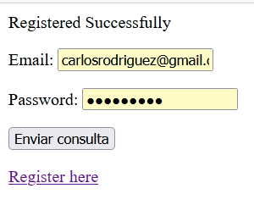
Incidence / Severity / Probability of reproduction | Critical severity -
 | 100% reproduction rate

Story and Acceptance Criteria affected | Affected User Story: PE-16

Browsers tested | mozilla firefox 107.0

Environment | local host http://127.0.0.1:5000/

Notes

